1. Title Page
[Instacart Grocery Basket]

Project Name: Instacart Grocery Basket
Date: 17/5/2025
Analyst Name: Faisal Malekzada

Contents:
Population Flow
Consistency checks
Wrangling steps
Column derivations
Visualizations
Recommendations

Data Citation: | The Instacart Online Grocery Shopping Dataset 2017”, Accessed from www.instacart.com/datasets/grocery-shopping-2017 via Kaggle on 10/5/2025

2. Population Flow
Title page

Population flow

Exclusion flag
Condition: max_order <
Obervations to be removed:
Final total count of order_products_all:

Orders_products_combined
Orders_products_merged
Orders_products_all

Total: 32434212
Total: 32434489
Total: 32434212

1.) The grey boxes in the first row of the population flow represent the original data sets as they were when you downloaded them. In the Total fields you need to add the count of the rows when you imported the data set into Jupyter.
2.) The second row of boxes (coloured) represents the data sets after you manipulated them, e.g., removed missing values and duplicates. In the Total fields you need to add the count of the rows after conducting these operations. This offers a visual oveview of how the data flows throughout the data consistency checks.
3.) The third row, where also the arrows are coloured, represents the merges you performed between the datasets. In the Total fields you need to add the count of the rows in the merged datasets, so that you end up with the final dataset (in the red box). Keep in mind the final dataset should be without exclusions (based on the exclusion flag).

3. Consistency checks
 |  |  |  | Title page
Consistency checks

Dataset | Missing values | Missing values treatment | Duplicates
orders | days_since prior order | Change the missing values to 0 since the day before the prior order is 0 | No duplicates
products | 16 missing values | Renamed all of the 16 missing values based on the Mode of their department ids. | 5 duplicated dropped.
orders_products_prior | No missing value |  | No duplicates
customers | 11259 first names missing | No treatment necessary | No duplicates

4. Wrangling steps
 |  |  |  | Title page
Wrangling steps

Columns dropped | Columns renamed | Columns' type changed | Comment/Reason
eval_set | order_dow | income: from int to float | Dropped Columns: We do not need eval_set add_to_cart_order, reordered, aisle_id for our analysis so for efficiency we drop these columns
add_to_cart_order | First Name | days_since_prior_order: float to int | Columns renamed: some renames are for better readability and some renames are to make everything the same; eg. Make all columns low cap.
reordered | Surnam
aisle_id | Gender
 | STATE
 | Age
 | n_dependants
 | fam_status

5. Column derivations
 |  |  |  |  | Title page

Column derivations and aggregations
In this tab you should add tables below that the frequences of flags/label variables that you produced after deriving them. NB: don't do this for continuous variables, only for flags.

Dataset | New column | Column/s it was derived from | Conditions
Customers | regions | State | df.loc[df['state'].isin([ 'Maine', 'New Hampshire', 'Vermont', 'Massachusetts', 'Rhode Island', 'Connecticut', 'New York', 'Pennsylvania', 'New Jersey' ]), 'regions'] = 'Northeast' df.loc[df['state'].isin([ 'Wisconsin', 'Michigan', 'Illinois', 'Indiana', 'Ohio', 'North Dakota', 'South Dakota', 'Nebraska', 'Kansas', 'Minnesota', 'Iowa', 'Missouri' ]), 'regions'] = 'Midwest' df.loc[df['state'].isin([ 'Delaware', 'Maryland', 'District of Columbia', 'Virginia', 'West Virginia', 'North Carolina', 'South Carolina', 'Georgia', 'Florida', 'Kentucky', 'Tennessee', 'Mississippi', 'Alabama', 'Oklahoma', 'Texas', 'Arkansas', 'Louisiana']), 'regions'] = 'South' df.loc[df['state'].isin([ 'Idaho', 'Montana', 'Wyoming', 'Nevada', 'Utah', 'Colorado', 'Arizona', 'New Mexico', 'Alaska', 'Washington', 'Oregon', 'California', 'Hawaii']), 'regions'] = 'West' | regions South 10799821 West 8299211 Midwest 7602550 Northeast 5727503
Customers | age_group | age | df.loc[df['age'] <=12, 'age_group'] = 'Children' df.loc[(df['age'] >12) & (df['age']<=19), 'age_group'] = 'Teen' df.loc[(df['age'] >19) & (df['age']<=39), 'age_group'] = 'Adult' df.loc[(df['age'] >39) & (df['age']<=59), 'age_group'] = 'Middle Age' df.loc[df['age'] >59, 'age_group'] = 'Elderly' | age_group Elderly 11075424 Middle Age 10181248 Adult 10151486 Teen 1020927
Customers | income_class | income | df.loc[df['income']<50000, 'income_class'] = 'Low Class' df.loc[(df['income']>=50000) & (df['income']<150000), 'income_class'] = 'Middle Class' df.loc[(df['income']>=150000) & (df['income']<300000), 'income_class'] = 'Upper Middle Class' df.loc[df['income']>=300000, 'income_class'] = 'High Class' | income_class Middle Class 24779999 Upper Middle Class 3950575 Low Class 3597871 High Class 100640
Customers | customer_profile | age, number of dependants | def customer_profile(row): age = row['age'] income = row['income'] dependents = row['number_of_dependants'] dept = row['department_id'] day = row['order_day_of_week'] hour = row['order_hour_of_day'] if age < 36 and dependents >= 1: return 'Young Parent' elif 36 <= age <= 55 and dependents >= 1: return 'Middle-Aged Parent' elif age < 41 and dependents == 0: return 'Single Adult' elif age >= 60: return 'Elder Customer' elif day in [5,6]: return 'Weekend Shopper' else: return 'Others' | customer_profile Elder Customer 11075424 Middle-Aged Parent 7645179 Young Parent 6875254 Single Adult 2908782 Others 2868753 Weekend Shopper 1055693
Products | price_range | price | df.loc[df['prices'] <5, 'price_range'] = 'low-range product' df.loc[(df['prices'] >=5) & (df['prices']<15), 'price_range'] = 'mid-range product' df.loc[df['prices']>=15, 'price_range']= 'high-range product' | price_range mid-range product 22018789 low-range product 9900480 high-range product 509816
orders | busiest_days | order_day_of_week | result_busiest = [] for value in df['order_day_of_week']: if value == 0: result_busiest.append ('Busiest Day') elif value == 1: result_busiest.append ('Second Busiest') elif value == 4: result_busiest.append ('Slowest Day') elif value == 3: result_busiest.append ('Second Slowest') else: result_busiest.append ('Average Day') | Busiest_Days Average Day 12925418 Busiest Day 6208779 Second Busiest 5664898 Second Slowest 3843427 Slowest Day 3786563
orders | busiest_hours | order_hour_of_day | busiest_hours = [] for value in df['order_hour_of_day']: if value in [10,11,14,15,13,12,16,9]: busiest_hours.append ('Most Orders') elif value in [17,8,18,19,20,7,21,22]: busiest_hours.append ('Average Orders') elif value in [23,6,0,1,5,2,4,3]: busiest_hours.append ('Few Orders') else: busiest_hours.append ('NA')
orders | day_of_week | order_day_of_week | df.loc[df['order_day_of_week'] == 0, 'day_of_week'] = 'Saturday' df.loc[df['order_day_of_week'] == 1, 'day_of_week'] = 'Sunday' df.loc[df['order_day_of_week'] == 2, 'day_of_week'] = 'Monday' df.loc[df['order_day_of_week'] == 3, 'day_of_week'] = 'Tuesday' df.loc[df['order_day_of_week'] == 4, 'day_of_week'] = 'Wednesday' df.loc[df['order_day_of_week'] == 5, 'day_of_week'] = 'Thursday' df.loc[df['order_day_of_week'] == 6, 'day_of_week'] = 'Friday'
orders | spending_flag | prices | df.loc[df['average_spending']>=10, 'spending_flag'] = 'high spender' df.loc[df['average_spending']<10, 'spending_flag'] = 'low spender'
orders | average_spending | prices | df['average_spending'] = df.groupby(['user_id'])['prices'].transform(np.mean)
orders | max_orders | order_number | df['max_orders'] = df.groupby(['user_id'])['order_number'].transform(np.max)
Customers | loyalty_tag | max_orders | df.loc[df['max_orders']> 40, 'loyalty_tag'] = 'loyal_customer' df.loc[(df['max_orders']<=40) & (df['max_orders']>10), 'loyalty_tag'] = 'average_customer' df.loc[df['max_orders']<=10, 'loyalty_tag'] = 'new_customer'

6. Visualizations
 |  |  |  | Title page

Visualisations

In this tab you should include all the visualtions from Exercises 4.9 and 4.10, alongside the questions from the project brief that they answer. Include any commentary on the relationship between different variables.

1- Busiest Days of the week based on number of orders |  | Business Question 1 |  |  |  |  |  | what are the busiest days of the week?

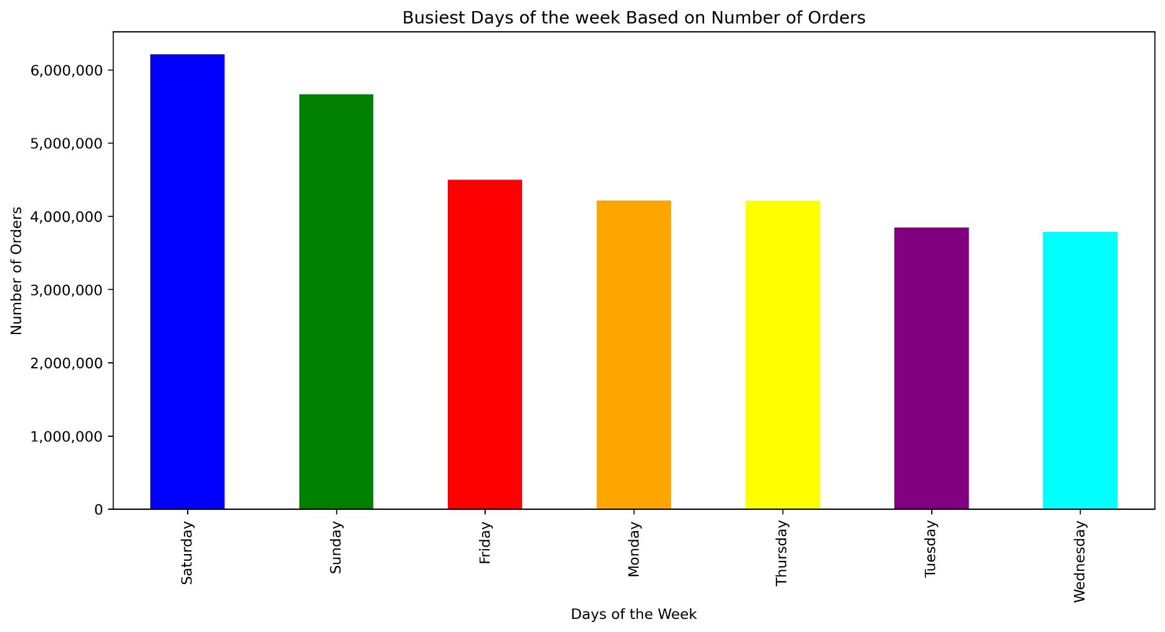

 |  | Chart 1: Busiest days of the week based on number of orders |  |  |  |  |  | As seen in the chart Saturdays and Sundays or Weekends have the most amount orders and thus the busiest days of the week. On the other hand, wednesdays and Tuesday have the lowest number of orders.

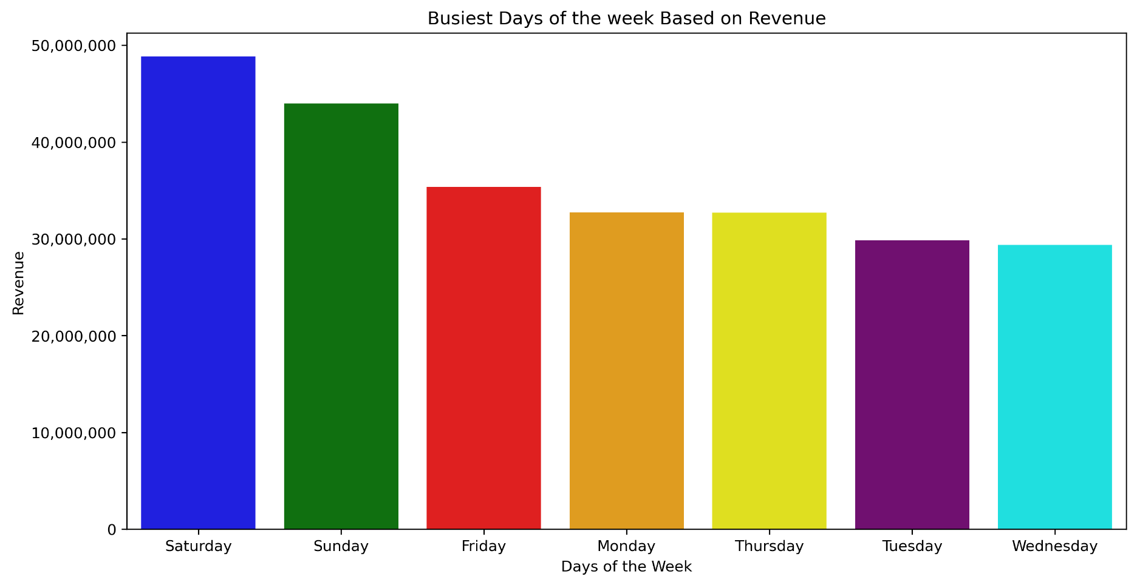
1.1- Busiest Days of the week based on revenue
 |  |  | Business Question 2 |  |  |  |  |  | What are the busiest days of the week that bring the most revenue?

 |  |  | Chart 2: Busiest Days of the week based on revenue |  |  |  |  |  | As seen in the chart Saturdays and Sundays or Weekends bring the most amount of revenue among all the other days and they are in par with the number of orders. Similarly, Wednesdays and Tuesday are among the lowest revenue days.

1.2- Busiest Hours of the day

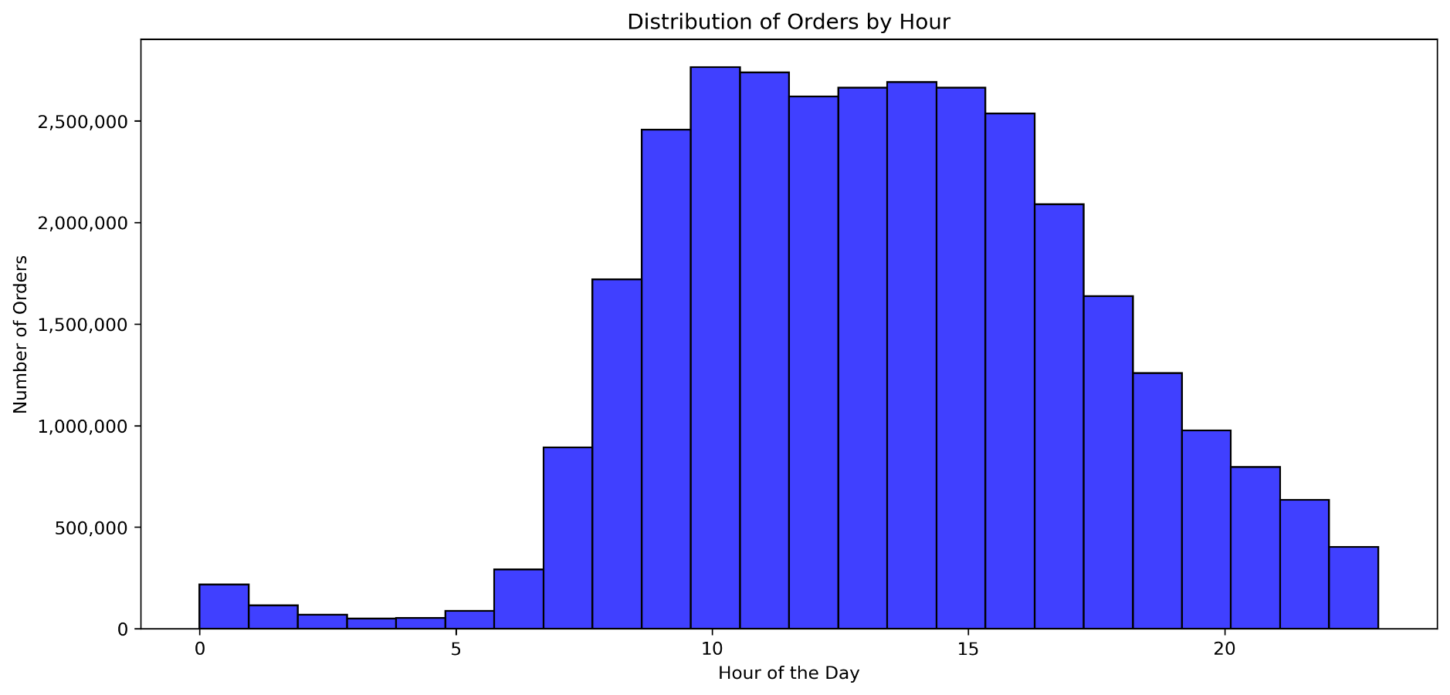
 |  |  | Business Question 3 |  |  |  |  |  | What are the particular times of the day when people order the most

 |  |  | Chart 3: Busiest Hours of the day |  |  |  |  |  | This histograms shows the busiest hours of the day. The hours between 9 AM to 4PM are among the busiest hours of the day.

3- Busiest hour of the day based on revenue

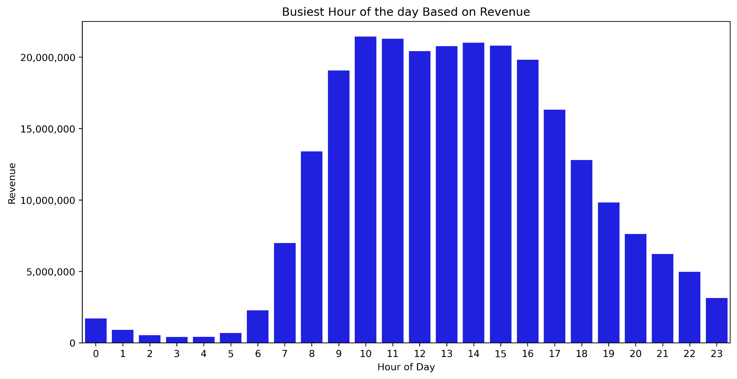
 |  |  | Business Question 4 |  |  |  |  |  | What are the particular times of the day when people spend the most money?

 |  |  | Chart 4: Busiest hour of the day based on revenue |  |  |  |  |  | This bar chart show in which hours people spend the most amount of money for their shopping.

4- Order numbers based on price range

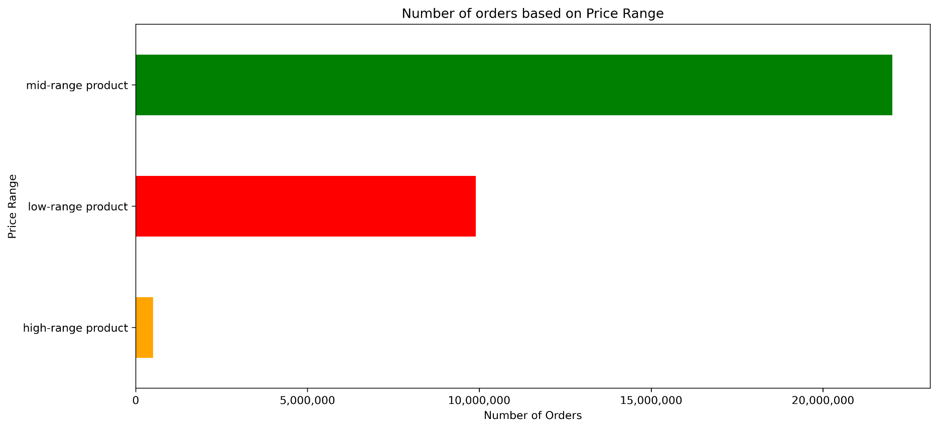
 |  |  |  | Business Question 5 |  |  |  |  |  | Instacart has a lot of products with different price tags. Marketing and sales want to use simpler price range groupings to help direct their efforts.

 |  |  |  | Chart 5: Order numbers based on price range |  |  |  |  |  | This bar chart visualizes the number of sales in different product ranges. Mid-range products being < $5. Mid-range products between $5 to $15. High-range products >$15. As seen in the chart, There are way more Mid-range products that are attractive to customers.

5- Performance of each department

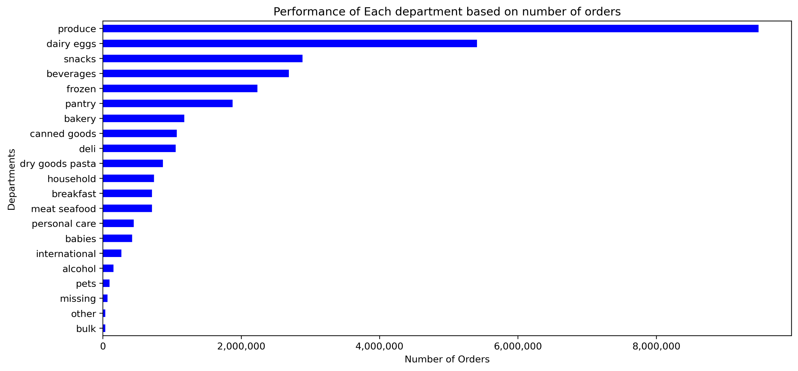

 |  |  |  |  |  |  |  |  | Business Question 6 |  |  |  | Are there certain types of products that are more popular than others? The marketing and sales teams want to know which departments have the highest frequency of product orders.

 |  |  |  |  |  |  |  |  | Chart 6: Performance of each department |  |  |  | The chart shows the best performing departments based on the number of orders. Produce and dairy eggs are among the top 2 departments dominating the charts. The Top 5 products chart shows the most popular products between customers.

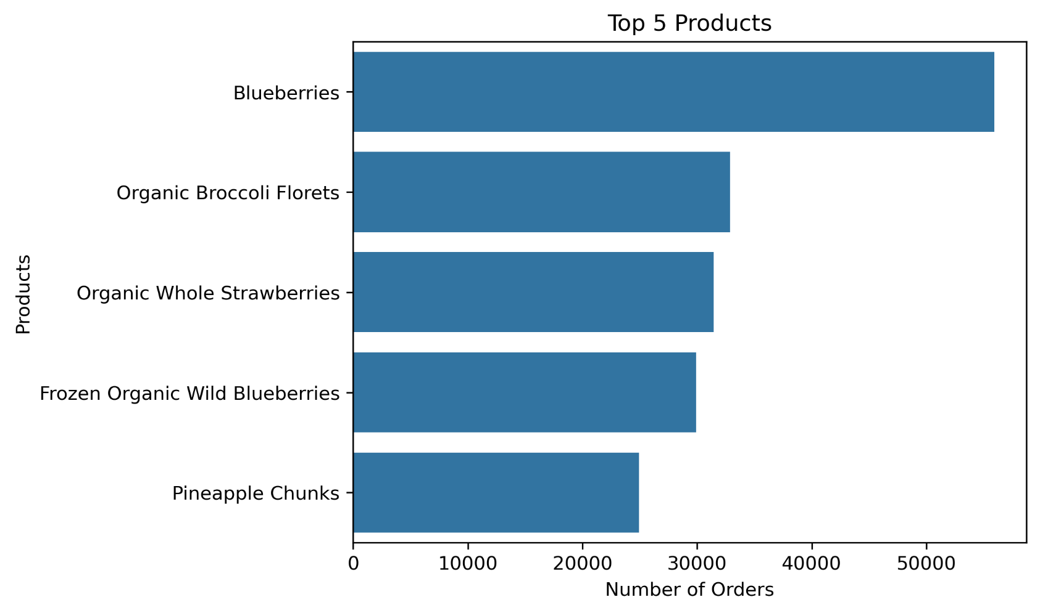

6- Spending In each region

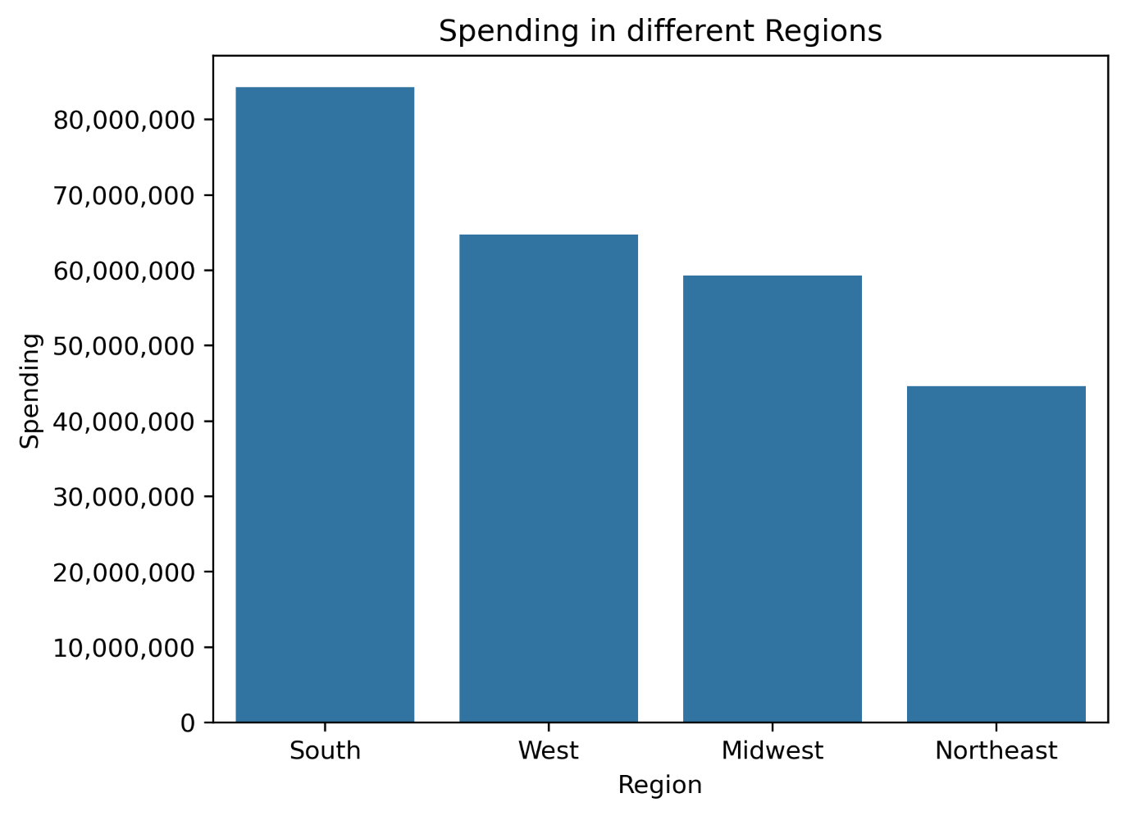

 | Chart 7: Spending In each region |  |  |  |  |  | As seen in the bar chart, South remains the biggest revenue stream for Instacart, West and midwest bringing almost the same amount of revenue and Northeast with almost half of what South brings.

7- Spending power and age | Chart 8: Spending power and age |  |  |  |  |  | Although there is a positive relation between the age and spending power with smaller strength. There spending power of a proportion of the customers increase after the age of 40.
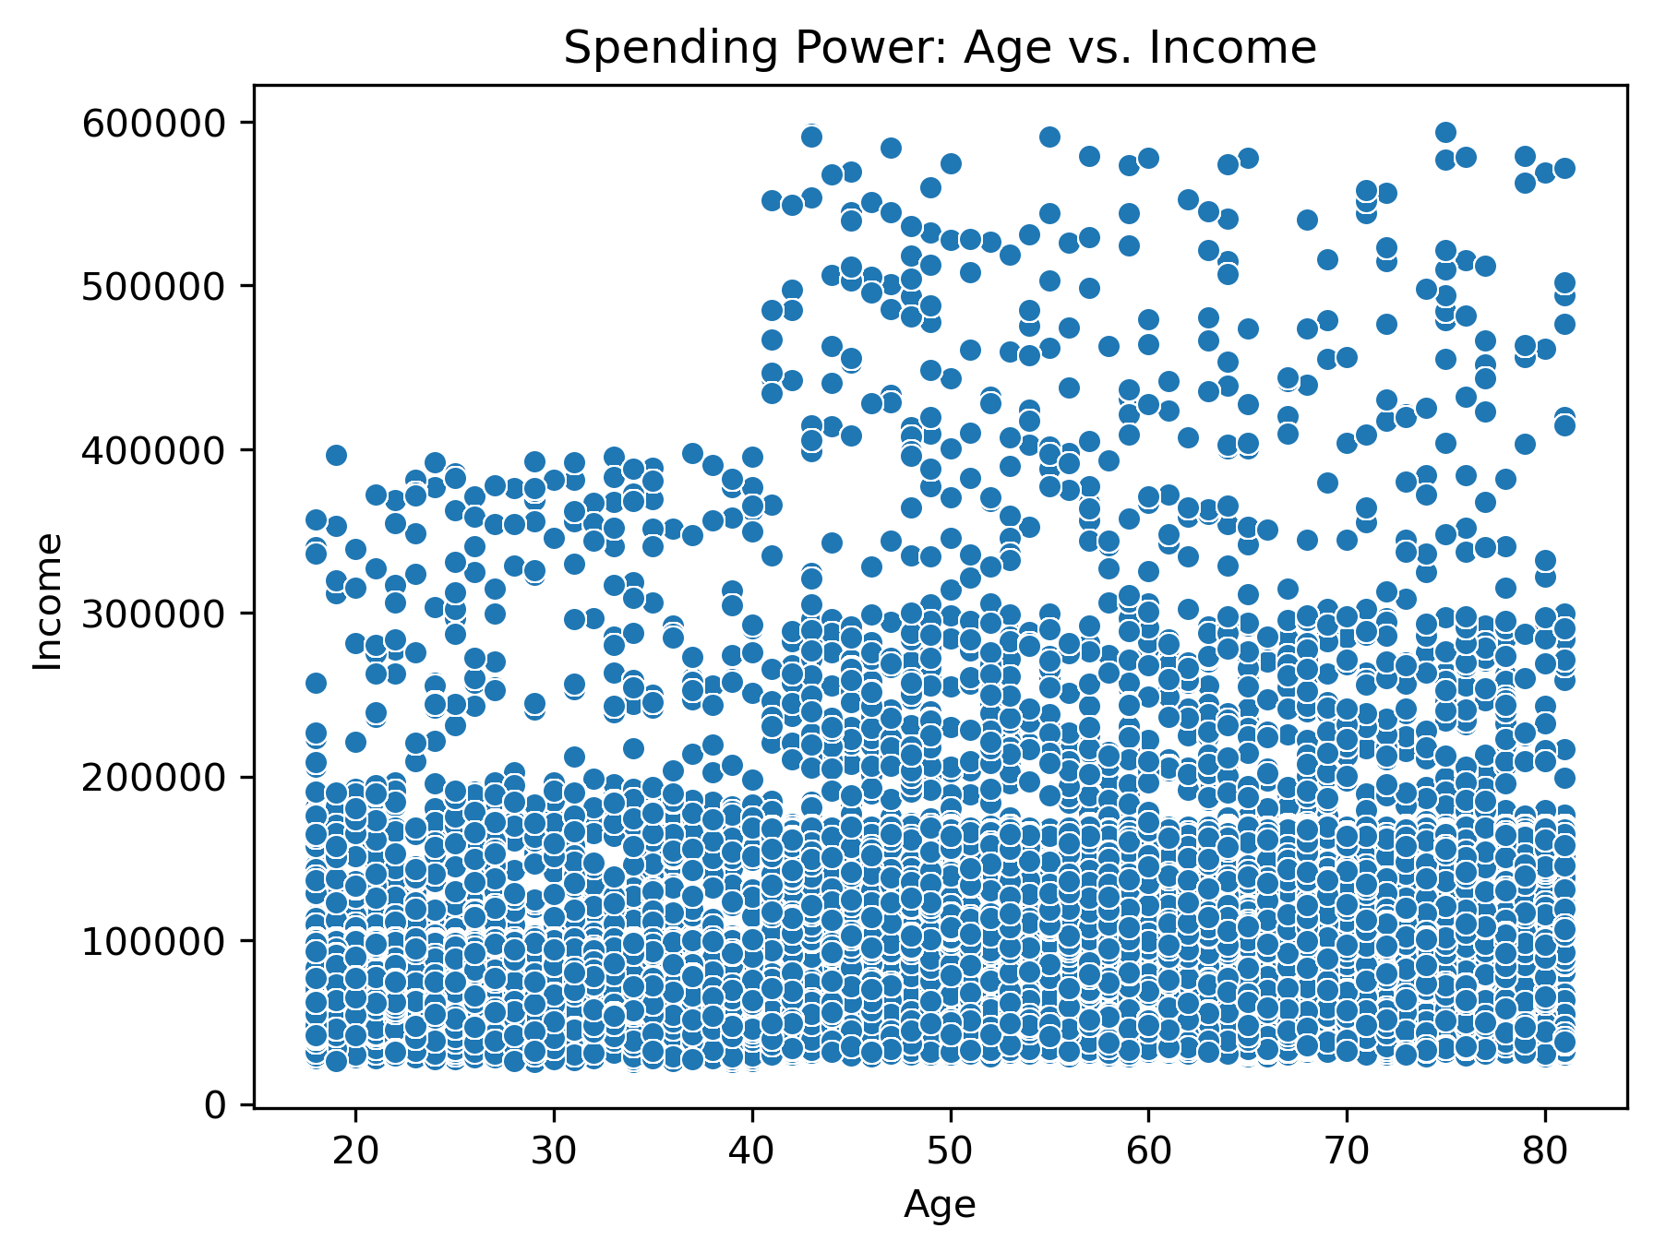

8- Loyal customers |  |  | Business Question 7 |  |  |  |  |  | What’s the distribution among users in regards to their brand loyalty (i.e., how often do they return to Instacart)?

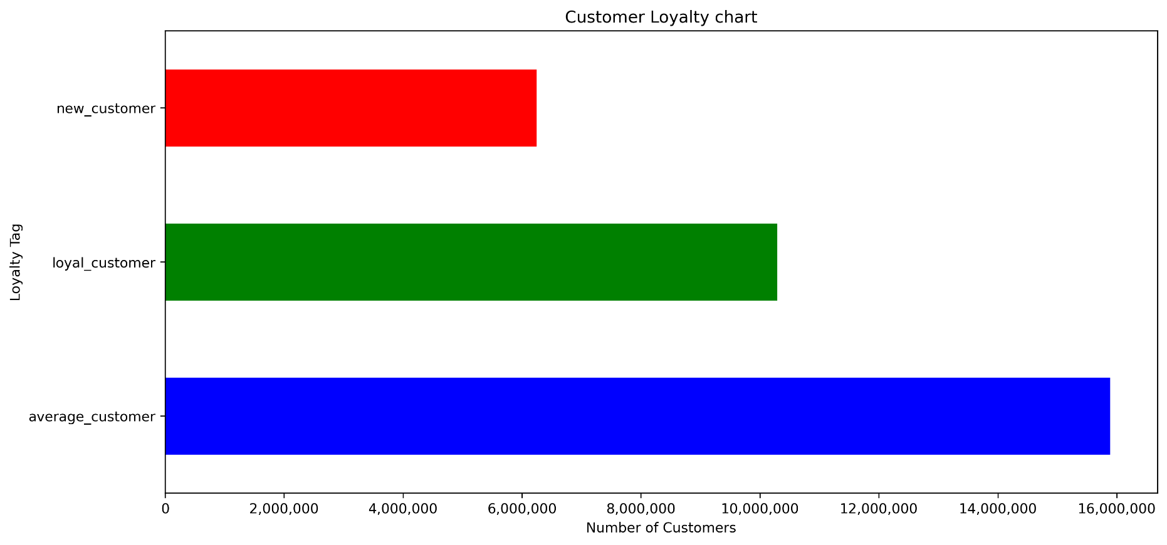

 |  |  | 8- Loyal customers |  |  |  |  |  | This chart shows the number of loyal customers who have over 40 orders, Average customers have between 10 to 40 orders and new customers having less than 10 orders.

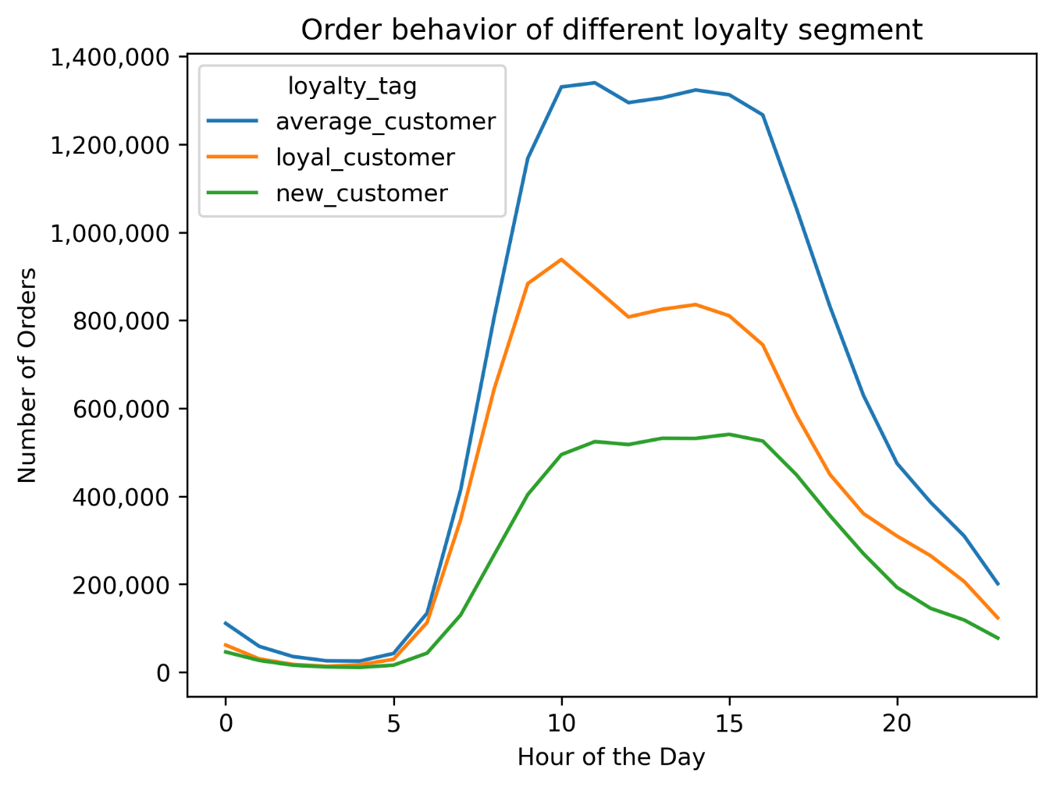
8.1- Loyal customers hours and days
 |  |  |  |  |  |  |  |  |  |  |  |  |  | Are there differences in ordering habits based on a customer’s loyalty status?
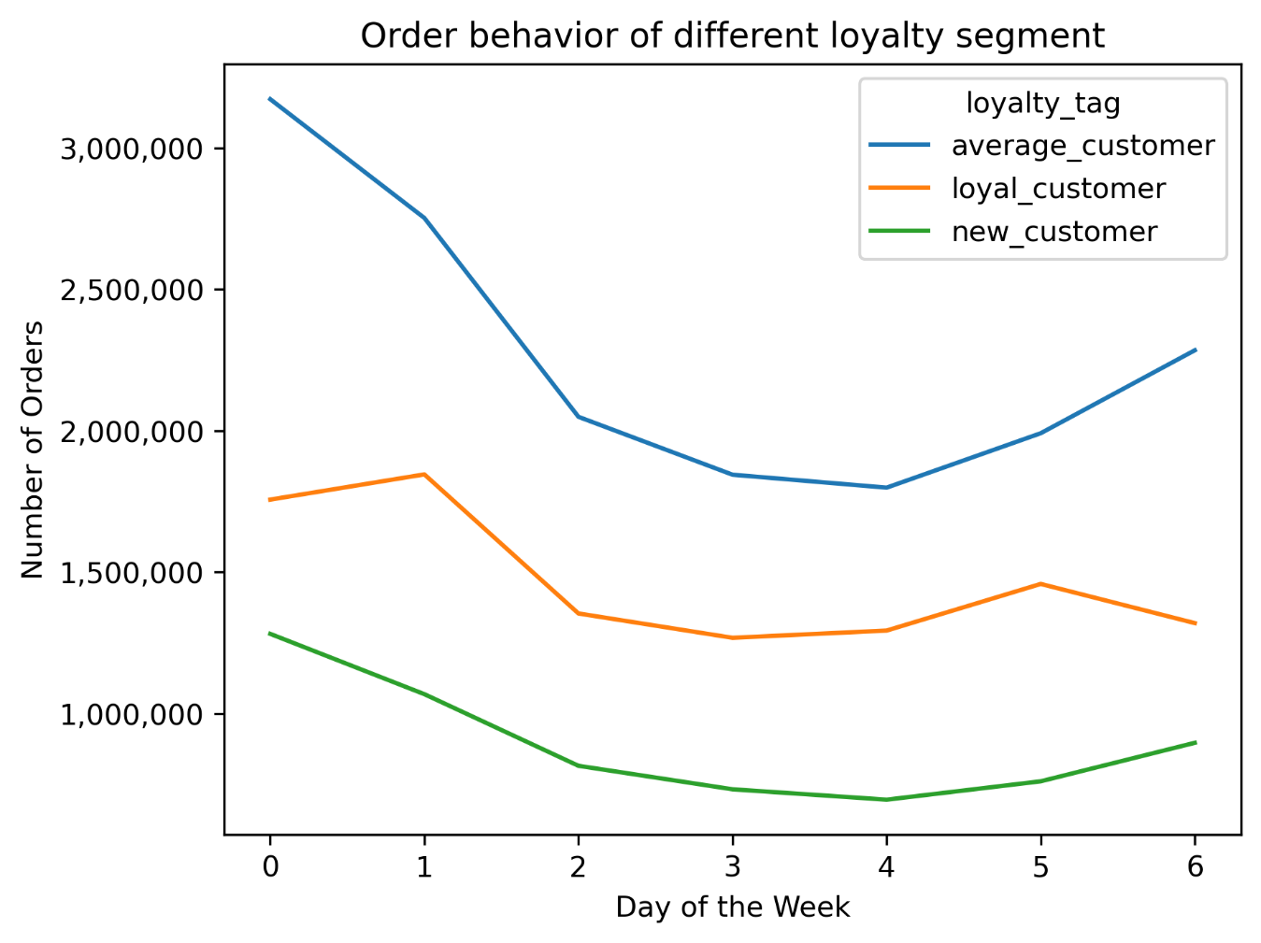

 |  |  |  |  |  |  |  |  |  |  | 8.1- Loyal customers hours and days |  |  | this chart show the busiest hours for different customers. It shows that there is not much difference in the behavior of different loyalty segment. However, All loyalty segments are the busiest around 9 AM to 5 PM. On the other hand, the busiest days for all customer segments remain the weekend with loyal customers preferring Sundays rather than Saturdays for shopping while new and average customer prefer Saturdays.

8.2- Loyal customersvs regions

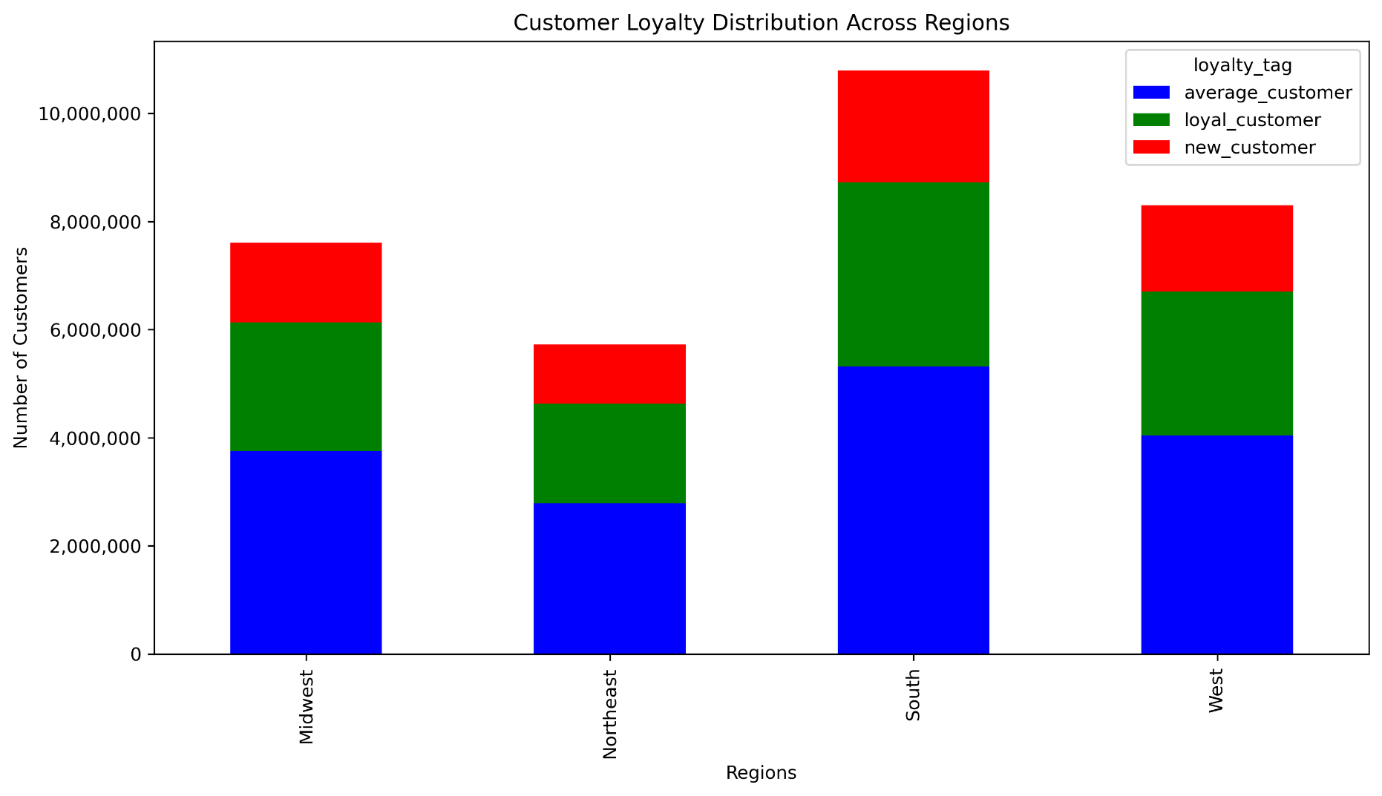
 |  |  |  |  |  |  |  |  |  |  | Are there differences in ordering habits based on a customer’s region?

 |  |  |  |  | 8.2- Loyal customersvs regions |  |  |  |  |  | this chart show the busiest hours for different customers. It shows that there is not much difference in the behavior of different loyalty segment. However, All loyalty segments are the busiest around 9 AM to 5 PM. On the other hand, the busiest days for all customer segments remain the weekend with loyal customers preferring Sundays rather than Saturdays for shopping while new and average customer prefer Saturdays.

8.3- Customer Profile and spending behavior

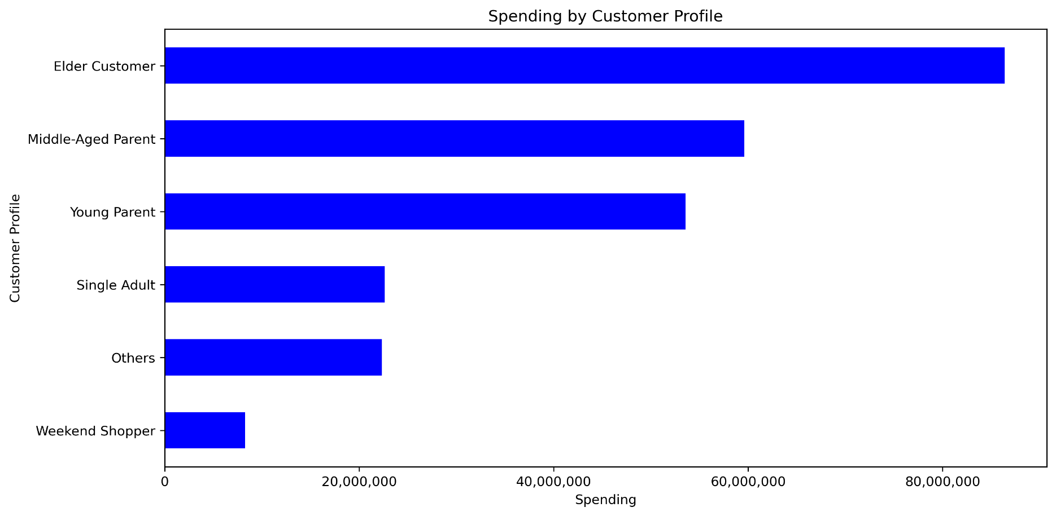
 |  |  |  |  |  |  |  |  |  |  | Is there a connection between age and family status in terms of ordering habits?

 |  |  |  |  | 8.3- Customer Profile and spending behavior |  |  |  |  |  | The spending behavior across different demographics vary greatly. Elder customers over 60 take up a decent portion of the spending. Parents in general spend way more than Single Adults showing that housholds with a larger number of dependants spend way more than independent people.

8.4- Income and spending behavior
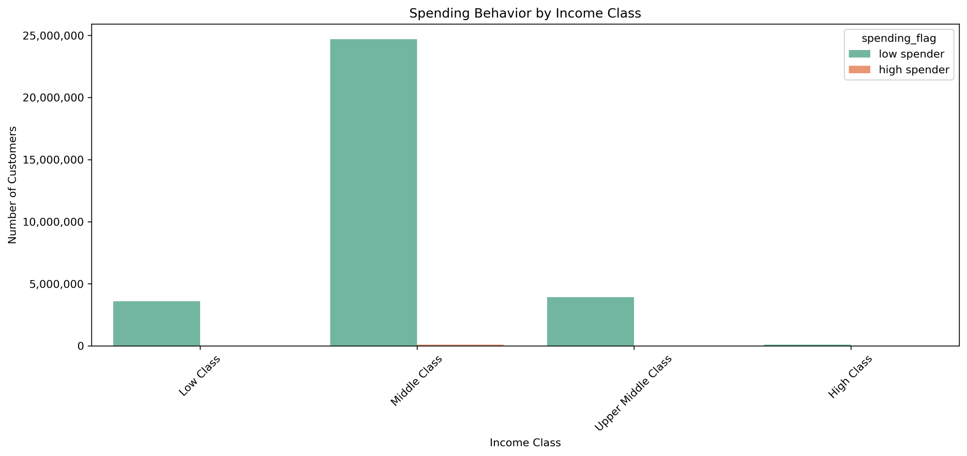
 |  |  |  |  |  |  |  |  |  |  |  | What differences can you find in ordering habits of different customer profiles? Consider the price of orders, the frequency of orders, the products customers are ordering, and anything else you can think of.

 |  |  |  |  |  | 8.4- Income and spending behavior |  |  |  |  |  | As shown in the chart, Majority of customers are low-spenders usually shopping for an average of $10 or less every time.

7. Recommendations
 |  | Title page

Recommendations

In this tab you should include any recommendations you would made to Instcart in terms of their marketing strategy based on the questions posed in the brief. Every key question has been covered in the Tasks of the Exercises - here you need to add an item - a visualisation or table/crosstable that is showing the answer in the data, acompanied by a comment from you. Please, list the questions below and add the answer underneath.

Question | Answer
Key Question 1 | The weekdays having the least amount of orders would be good days to focus the ads on namely Tuesdays and Wednesdays
Key Question 2 | The number of orders usually drop starting from 4 PM and thus focusing ads after 4 PM until midnight would be optimal.
Key Question 3 | Mid-range priced products are the most attractive to customers. Setting prices at a higher range yet affordable would bring more revenue and at the same time keep customers
Key Question 4 | Produce, Dairy Eggs and snacks are among the top product departments with the majority of the sales. Focusing on those departments is a great strategy.
Key Question 5 | Majority of the revenue comes from South and West. Therefore, more focus should be given to South and West and more marketing efforts directed to Midwest and Northeast.
Key Question 6 | Majority of the customers are parents and Elderly people over 60 so more products that meet parents needs should be added to the shelf.
Key Question 7 | A decent percentage of customer are new customers so more attention should be given to building customer loyalty.

